Metadados
 | A | S'
1 | 1 | 33
2 | 1.90039 | 33
3 | 2.71441 | 33
4 | 3.45336 | 33
5 | 4.12688 | 33
6 | 4.74322 | 33
7 | 5.30945 | 33
8 | 5.83164 | 33
9 | 6.315 | 33
10 | 6.76404 | 33
11 | 7.18263 | 33
12 | 7.57415 | 33
13 | 7.9415 | 33
14 | 8.28722 | 33
15 | 8.61351 | 33
16 | 8.92229 | 33
17 | 9.21526 | 33
18 | 9.4939 | 33
19 | 9.7595 | 33
20 | 10.0132 | 33
21 | 10.256 | 33
22 | 10.4889 | 33
23 | 10.7126 | 33
24 | 10.9278 | 33
25 | 11.1351 | 33
26 | 11.3352 | 33
27 | 11.5286 | 33
28 | 11.7156 | 33
29 | 11.8967 | 33
30 | 12.0724 | 33
31 | 12.2429 | 33
32 | 12.4085 | 33
33 | 12.5695 | 33
34 | 12.7262 | 33
35 | 12.8789 | 33
36 | 13.0276 | 33
37 | 13.1727 | 33
38 | 13.3143 | 33
39 | 13.4526 | 33
40 | 13.5877 | 33
41 | 13.7198 | 33
42 | 13.8491 | 33
43 | 13.9756 | 33
44 | 14.0994 | 33
45 | 14.2207 | 33
46 | 14.3397 | 33
47 | 14.4562 | 33
48 | 14.5706 | 33
49 | 14.6828 | 33
50 | 14.793 | 33
...
 |  | T1 |  |  | T2 |  |  | T3 |  |  | T4 |  |  | T5 |  |  |  | TOTAL POR CAMPANHA |  |  | TOTAL POR TRILHA
ESPÉCIE | C1 | C2 | C3 | C1 | C2 | C3 | C1 | C2 | C3 | C1 | C2 | C3 | C1 | C2 | C3 | TOTAL | MEDIA | C1 | C2 | C3 | T1 | T2 | T3 | T4 | T5
Amazophrynella manaos |  |  |  |  |  |  | 2 | 6 | 2 | 3 | 4 | 1 |  |  |  | 18 | 6.0 | 5 | 10 | 3 | 0 | 0 | 10 | 8 | 0
Rhinella merianae |  | 1 | 1 |  |  |  |  |  |  |  |  |  |  |  |  | 2 | 0.7 | 0 | 1 | 1 | 2 | 0 | 0 | 0 | 0
Pristimantis fenestratus |  |  |  |  | 2 |  | 1 | 2 |  | 2 | 1 |  | 15 | 13 |  | 36 | 12.0 | 18 | 18 | 0 | 0 | 2 | 3 | 3 | 28
Boana cinerascens |  |  |  |  |  |  | 10 | 4 |  | 25 | 10 |  | 3 | 3 |  | 55 | 18.3 | 38 | 17 | 0 | 0 | 0 | 14 | 35 | 6
Boana aff. geographica |  |  |  |  |  |  |  |  |  | 7 |  |  |  |  |  | 7 | 2.3 | 7 | 0 | 0 | 0 | 0 | 0 | 7 | 0
Boana lanciformis |  |  |  |  |  |  |  |  |  | 1 | 4 |  | 1 |  |  | 6 | 2.0 | 2 | 4 | 0 | 0 | 0 | 0 | 5 | 1
Dendropsophus minutus | 3 | 5 | 1 | 1 | 6 |  | 20 | 14 | 1 |  |  |  |  | 4 | 1 | 56 | 18.7 | 24 | 29 | 3 | 9 | 7 | 35 | 0 | 5
Osteocephalus oophagus | 4 | 5 |  | 1 | 6 |  | 2 |  |  |  | 1 |  | 2 | 4 |  | 25 | 8.3 | 9 | 16 | 0 | 9 | 7 | 2 | 1 | 6
Osteocephalus taurinus |  |  |  |  |  |  |  |  |  | 2 | 1 |  |  |  |  | 3 | 1.0 | 2 | 1 | 0 | 0 | 0 | 0 | 3 | 0
Scinax ruber | 1 | 6 |  | 2 | 5 |  | 1 |  |  | 1 |  |  |  |  |  | 16 | 5.3 | 5 | 11 | 0 | 7 | 7 | 1 | 1 | 0
Adenomera andreae | 23 | 8 | 2 | 5 | 14 | 13 |  |  |  |  | 1 | 4 | 3 | 3 | 11 | 87 | 29.0 | 31 | 26 | 30 | 33 | 32 | 0 | 5 | 17
Leptodactylus petersii |  |  |  |  |  |  | 2 | 4 |  | 9 | 12 | 1 |  |  |  | 28 | 9.3 | 11 | 16 | 1 | 0 | 0 | 6 | 22 | 0
Amphisbaena fuliginosa |  |  |  |  |  |  |  |  |  |  |  | 1 |  |  |  | 1 | 0.3 | 0 | 0 | 1 | 0 | 0 | 0 | 1 | 0
Anolis chrysoleps | 1 | 1 |  |  |  |  | 1 |  |  |  |  |  | 1 |  |  | 4 | 1.3 | 3 | 1 | 0 | 2 | 0 | 1 | 0 | 1
Anolis fuscoauratus |  |  |  |  |  |  | 1 |  | 3 |  |  | 1 |  |  | 1 | 6 | 2.0 | 1 | 0 | 5 | 0 | 0 | 4 | 1 | 1
Anolis punctatus |  |  |  |  |  |  |  |  |  | 1 |  |  | 1 |  |  | 2 | 0.7 | 2 | 0 | 0 | 0 | 0 | 0 | 1 | 1
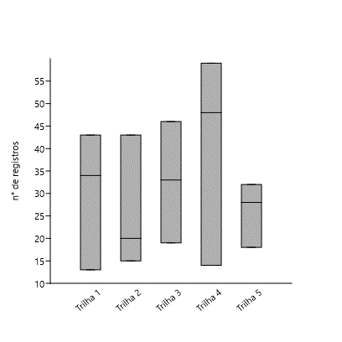
Anolis ortonii |  |  |  |  |  |  |  |  | 2 |  |  |  |  |  |  | 2 | 0.7 | 0 | 0 | 2 | 0 | 0 | 2 | 0 | 0
Arthrosaura reticulata |  |  |  |  |  |  |  |  |  |  |  |  |  | 1 | 1 | 2 | 0.7 | 0 | 1 | 1 | 0 | 0 | 0 | 0 | 2
Loxopholis percarinatum |  |  |  | 4 |  |  | 1 |  |  | 1 |  | 3 |  | 2 | 2 | 13 | 4.3 | 6 | 2 | 5 | 0 | 4 | 1 | 4 | 4
Chatogekko amazonicus |  |  |  |  |  |  |  |  |  |  |  | 1 |  |  |  | 1 | 0.3 | 0 | 0 | 1 | 0 | 0 | 0 | 1 | 0
Bufonidae | 2
Craugastoridae | 1
Hylidae | 7
Leptodactylidae | 2
Gonatodes humeralis | 2 | 11 | 6 |  | 7 | 5 | 3 | 1 | 7 | 4 | 13 | 2 | 1 | 2 | 2 | 66 | 22.0 | 10 | 34 | 22 | 19 | 12 | 11 | 19 | 5
Plica umbra |  | 5 | 3 | 1 | 3 | 1 |  |  |  |  |  |  |  |  |  | 13 | 4.3 | 1 | 8 | 4 | 8 | 5 | 0 | 0 | 0
Ameiva ameiva |  |  |  | 1 |  |  |  | 2 | 3 | 2 |  |  |  |  |  | 8 | 2.7 | 3 | 2 | 3 | 0 | 1 | 5 | 2 | 0
Kentropyx calcarata |  | 1 |  |  |  | 1 | 2 |  |  |  |  |  |  |  |  | 4 | 1.3 | 2 | 1 | 1 | 1 | 1 | 2 | 0 | 0
Mastigodryas baddaerty |  |  |  |  |  |  |  |  |  | 1 |  |  |  |  |  | 1 | 0.3 | 1 | 0 | 0 | 0 | 0 | 0 | 1 | 0
Oxybelis fulgidus |  |  |  |  |  |  |  |  |  |  |  |  | 1 |  |  | 1 | 0.3 | 1 | 0 | 0 | 0 | 0 | 0 | 0 | 1
Spilotes pullatus |  |  |  |  |  |  |  |  |  |  | 1 |  |  |  |  | 1 | 0.3 | 0 | 1 | 0 | 0 | 0 | 0 | 1 | 0
Taeniophallus brevirostris |  |  |  |  |  |  |  |  | 1 |  |  |  |  |  |  | 1 | 0.3 | 0 | 0 | 1 | 0 | 0 | 1 | 0 | 0
TOTAL DE ESPÉCIES = 28
TOTAL DE REGISTROS | 34 | 43 | 13 | 15 | 43 | 20 | 46 | 33 | 19 | 59 | 48 | 14 | 28 | 32 | 18 | 465 | 155 | 182 | 199 | 84 | 90 | 78 | 98 | 121 | 78
TOTAL DE ESPÉCIES POR TRILHA | 9 |  |  | 10 |  |  | 15 |  |  | 19 |  |  | 13
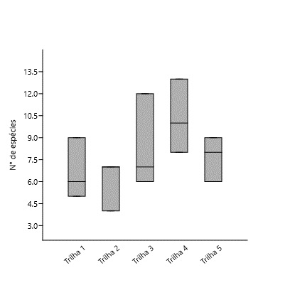
TOTAL DE ESPÉCIES POR CAMPANHA/TRILHA | 6 | 9 | 5 | 7 | 7 | 4 | 12 | 7 | 6 | 13 | 10 | 8 | 9 | 8 | 6
Trilha 1 | 90
Trilha 2 | 78
Trilha 3 | 98
Trilha 4 | 121
Trilha 5 | 78

